Seed Grant Budget
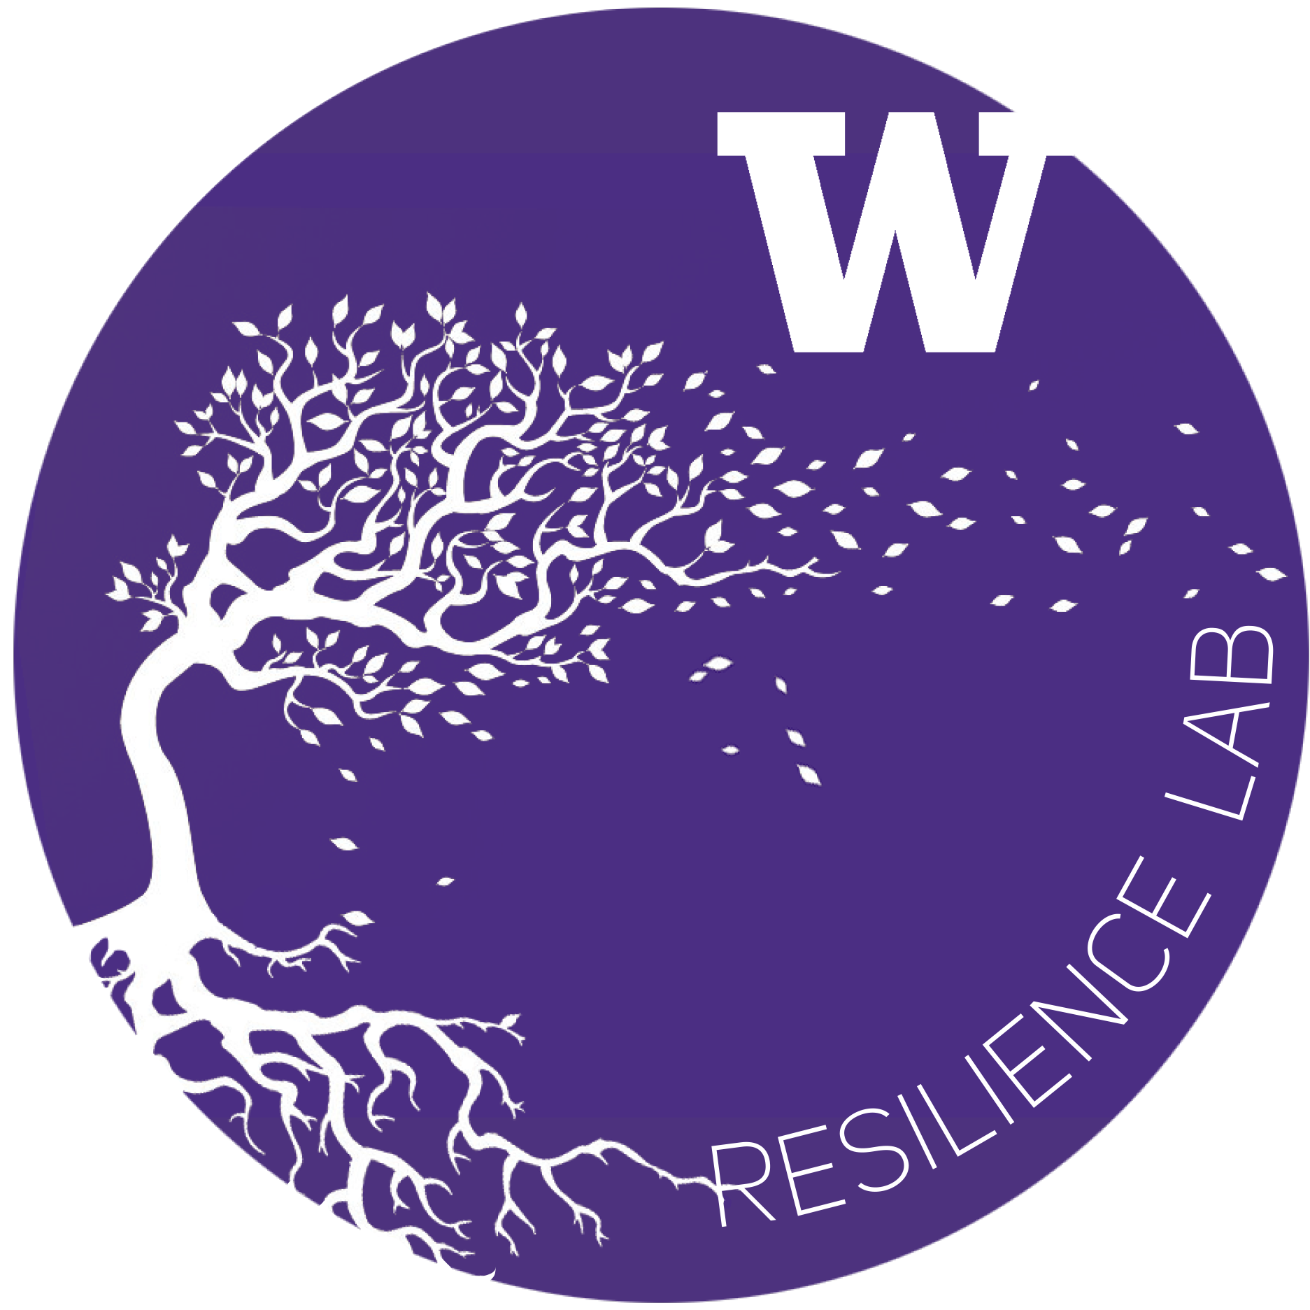
UW Campus Sustainability Fund & Resilience Lab
Resilience and Compassion Seed Grant Budget Form: 2022-2023

Project Name: | Future Teachers of Color Organization
Department: | College of Education
Project Lead: | Andrea Carreno Cortez and Jazmen Moore
Total request: | $5,000
Fiscal Point of Contact: | Andrea Carreno Cortez (acarr041@uw.edu) and Jazmen Moore (moorejaz@uw.edu )
2020-2021 Resilience Budget Sheet
Row # | Expense Title / Detail | Requested Budget

1 | Facility rentals for biweekly meetings across 3 quarters in the 2022-2023 year. | $500
2 | Guest speakers honoraria (6 guest speakers across 3 quarters, receiving $250 each) | $1,500
3 | Programmatic materials (books, art supplies, and fees for community outings) | $1,500
4 | "Toward Teacher Ed" Mini Scholarships (can be used by participants to pay for Teacher Education progam applications, content-based exams or preparation classes for exams, and/or transportation expenses related to attending their internships) | $1,500
5

6
7
8
9
10

11
12
13
14
15

16
17
18
19
20

21
22
23
24
25
Total |  | $5,000.00 | $—

Other Sources of Funding:
Source Name: |  | Funding Amount
None identified at this time |  | 0

Total |  | $—

To expand on any items in rows 1-25 above — please list row # and supply any additional detail below
Row # | Additional Comments

