Seed Grant Budget
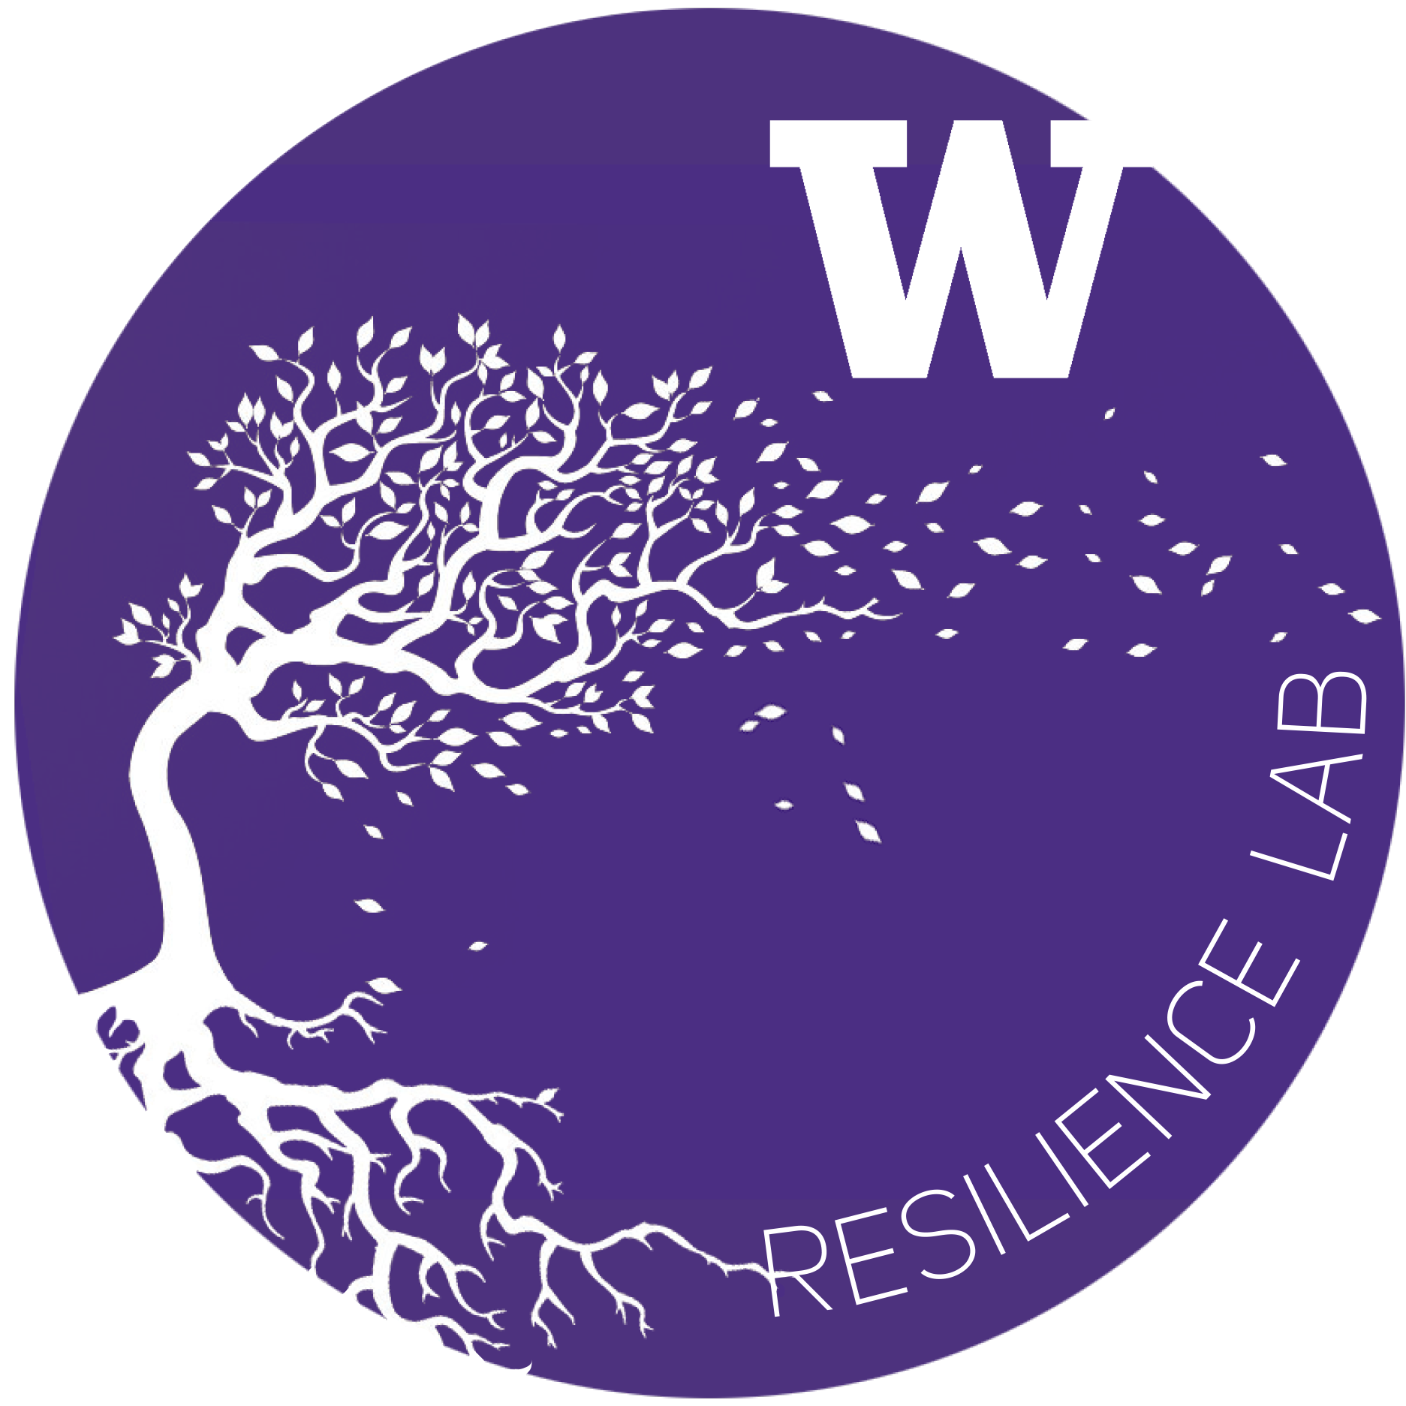
UW Campus Sustainability Fund & Resilience Lab
Resilience and Compassion Seed Grant Budget Form: 2022-2023

Project Name: | UAA Race-based staff caucusing
Department: | Robinson Center/UAA
Project Lead: | Kathryn Grubbs
Total request: | $5,000
Fiscal Point of Contact: | Eric Sortun
2020-2021 Resilience Budget Sheet
Row # | Expense Title / Detail | Requested Budget

1 | Cultures Connecting white caucus session facilitation | $2,500
2 | Cultures Connecting BIPOC caucus session facilitation | $2,500
3
4
5

6
7
8
9
10

11
12
13
14
15

16
17
18
19
20

21
22
23
24
25
Total |  | $5,000.00 | $—

Other Sources of Funding:
Source Name: |  | Funding Amount
UAA Dean's office request |  | $5,000
UAA staff contributions from personal PD funds |  | $10,000

Total |  | $15,000.00

To expand on any items in rows 1-25 above — please list row # and supply any additional detail below
Row # | Additional Comments

