Seed Grant Budget
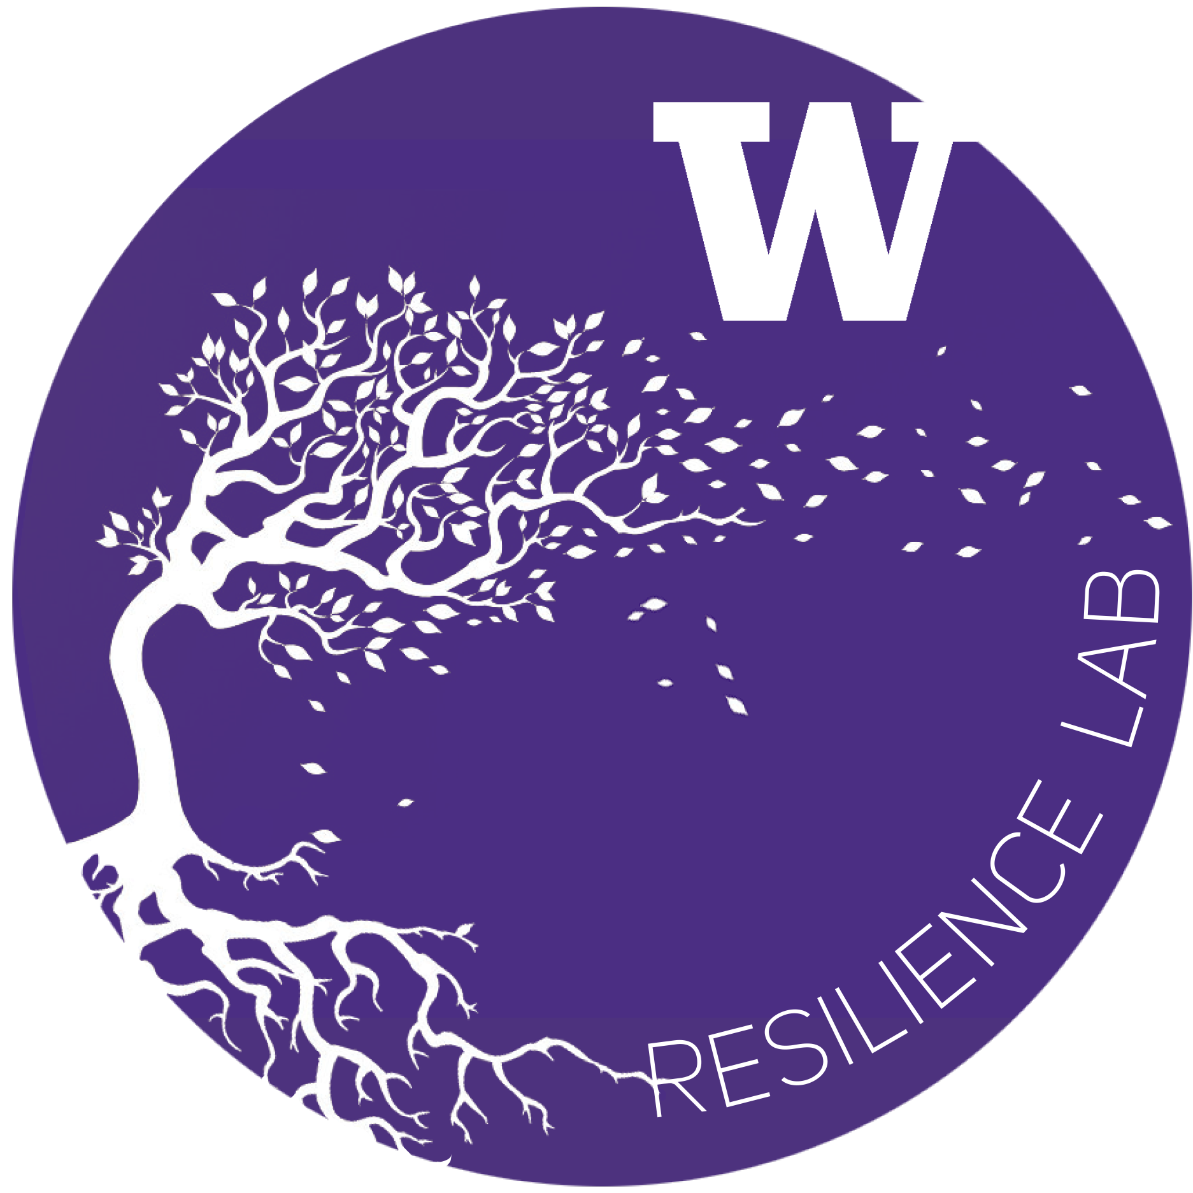
UW Campus Sustainability Fund & Resilience Lab
Resilience and Compassion Seed Grant Budget Form: 2022-2023

Project Name: | Addressing Career Anxiety for School of Urban Studies Students
Department: | School of Urban Studies, UW Tacoma
Project Lead: | Lisa Hoffman
Total request: | $3,900
Fiscal Point of Contact: | Candy Acosta
2020-2021 Resilience Budget Sheet
Row # | Expense Title / Detail | Requested Budget

1 | $20 per student to attend session x 30 students x 4 sessions total (compensation for time) | $2,400
2 | $250 stipend to speakers/facilitators x 4 sessions total | $1,000
3 | $250 stipend to student organizations x 2 student groups | $500
4
5

6
7
8
9
10

11
12
13
14
15

16
17
18
19
20

21
22
23
24
25
Total |  | $3,900.00 | $—

Other Sources of Funding:
Source Name: |  | Funding Amount

Total |  | $—

To expand on any items in rows 1-25 above — please list row # and supply any additional detail below
Row # | Additional Comments

