Seed Grant Budget
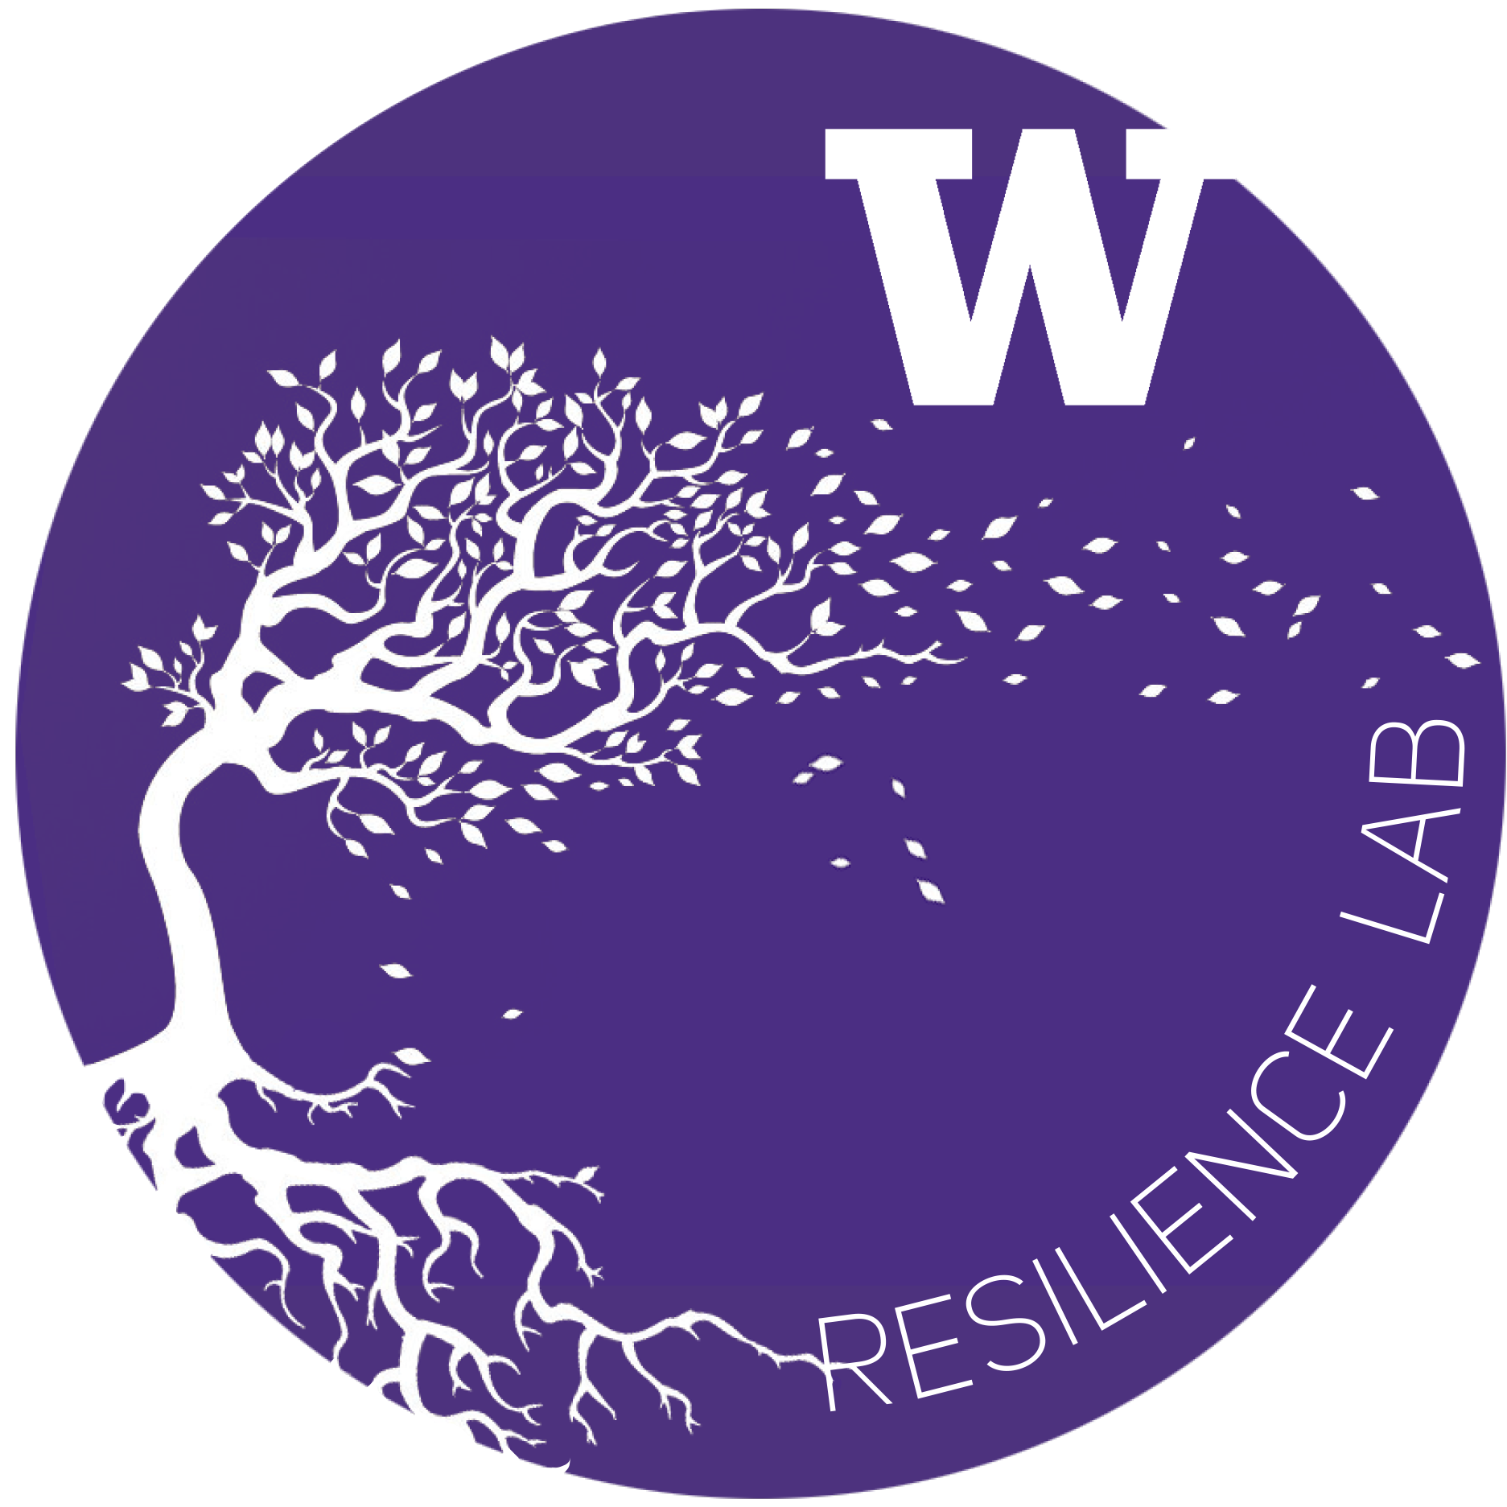
UW Campus Sustainability Fund & Resilience Lab
Resilience and Compassion Seed Grant Budget Form: 2022-2023

Project Name: | Embodying Abolition
Department: | Q Center
Project Lead: | Tahtzee Nico, Val Schweigert, and Lev Cunningham
Total request: | $5,000
Fiscal Point of Contact: | Tahtzee Nico & Lindsey Mitchell
2020-2021 Resilience Budget Sheet
Row # | Expense Title / Detail | Requested Budget

1 | Social Work Practicum Student Pay | $2,500
2 | Undergraduate Education Intern pay | $2,500
3
4
5

6
7
8
9
10

11
12
13
14
15

16
17
18
19
20

21
22
23
24
25
Total |  | $5,000.00 | $—

Other Sources of Funding:
Source Name: |  | Funding Amount
Q Center SAF funds |  | 14,000

Total |  | $14,000.00

To expand on any items in rows 1-25 above — please list row # and supply any additional detail below
Row # | Additional Comments
47 | Q Center SAF funding will cover the rest of the interns' pay, program supplies, travel and lodging. We pay undergrad interns $1250 per quarter and undergraduate interns $1650 per quarter. The Q center will cover the rest of their pay and the requested amount of $5,000 will offset some of those costs.

